Application Screen
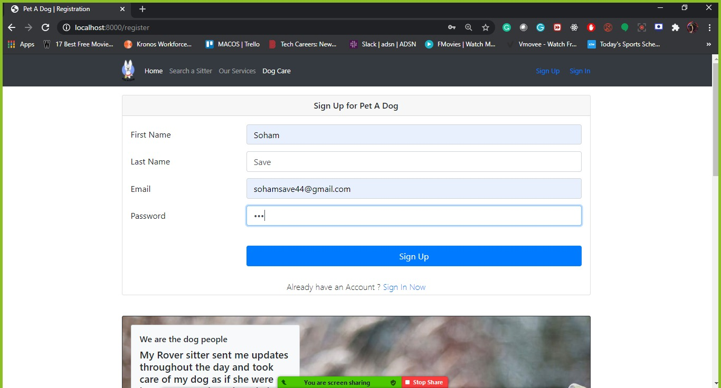
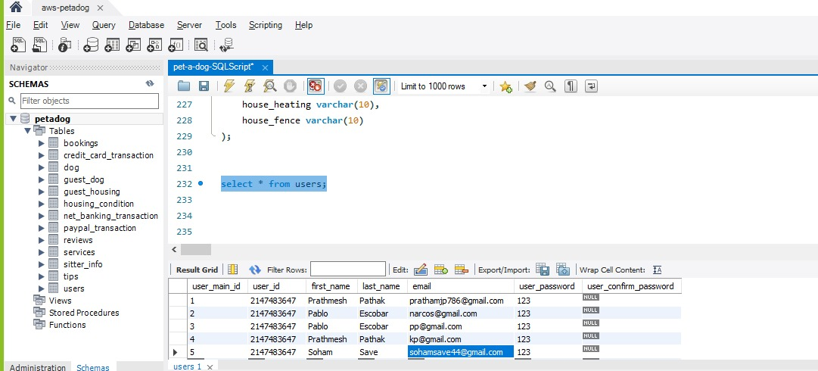

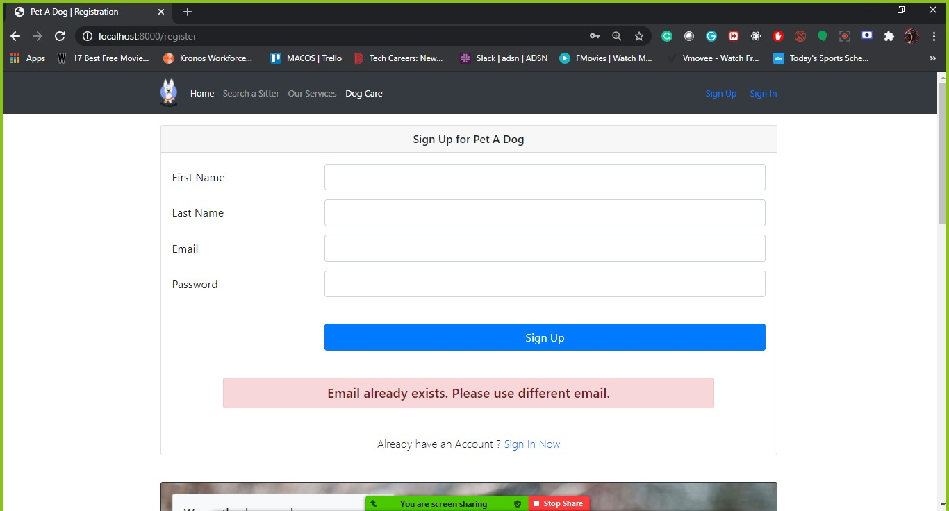
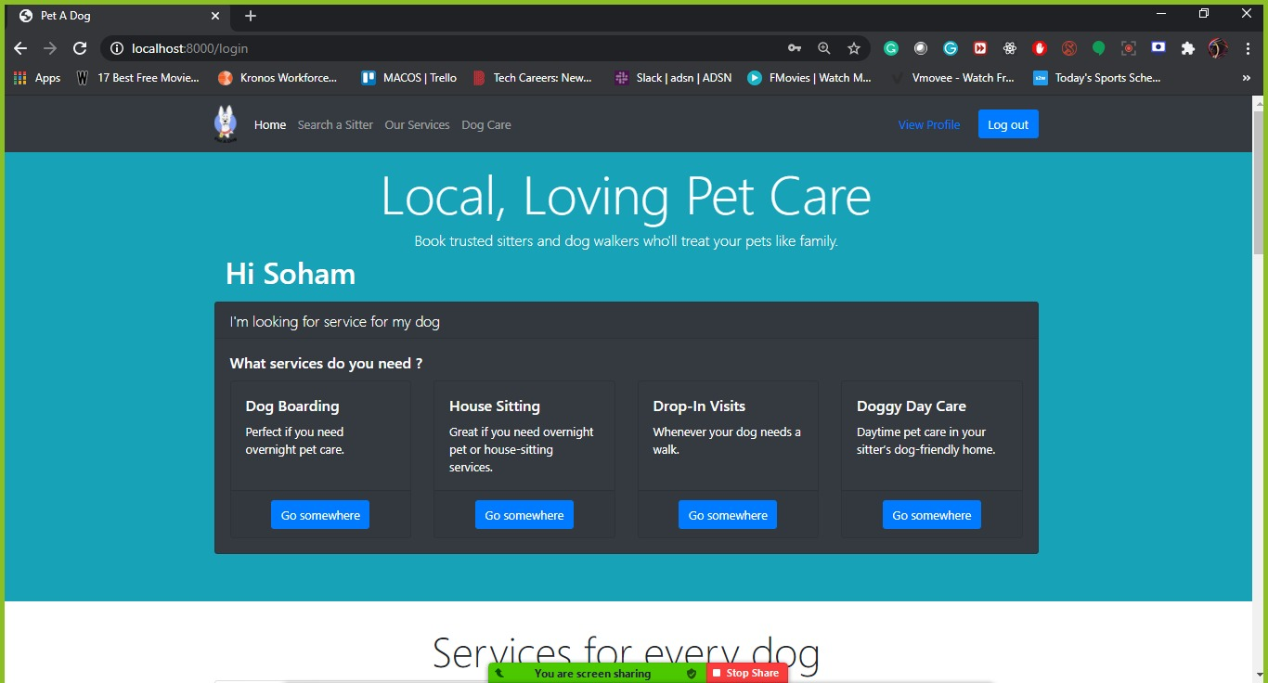

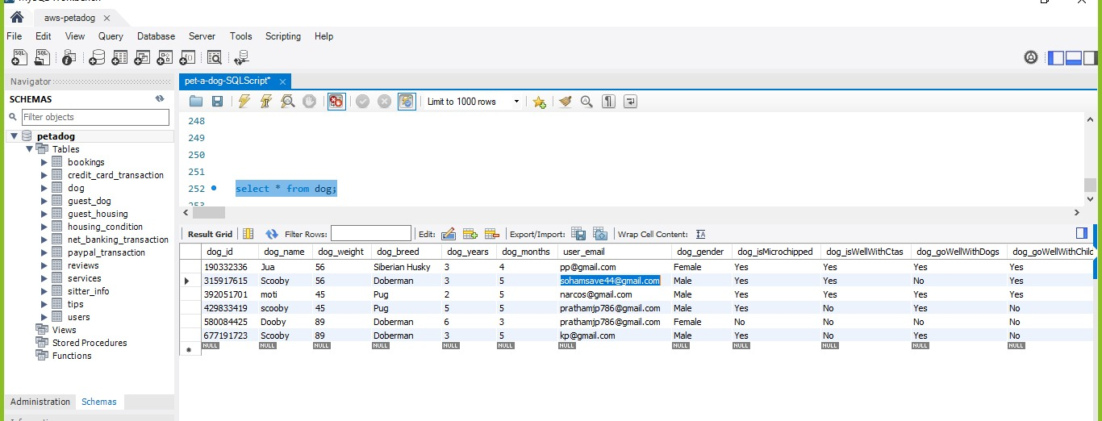
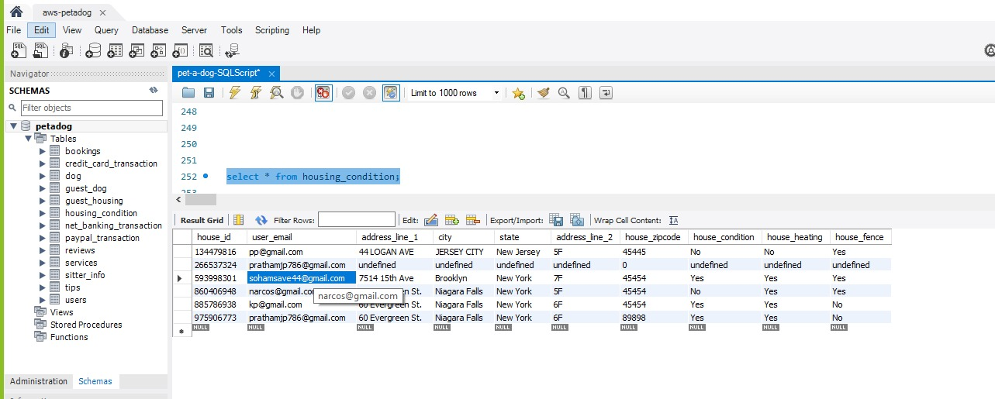

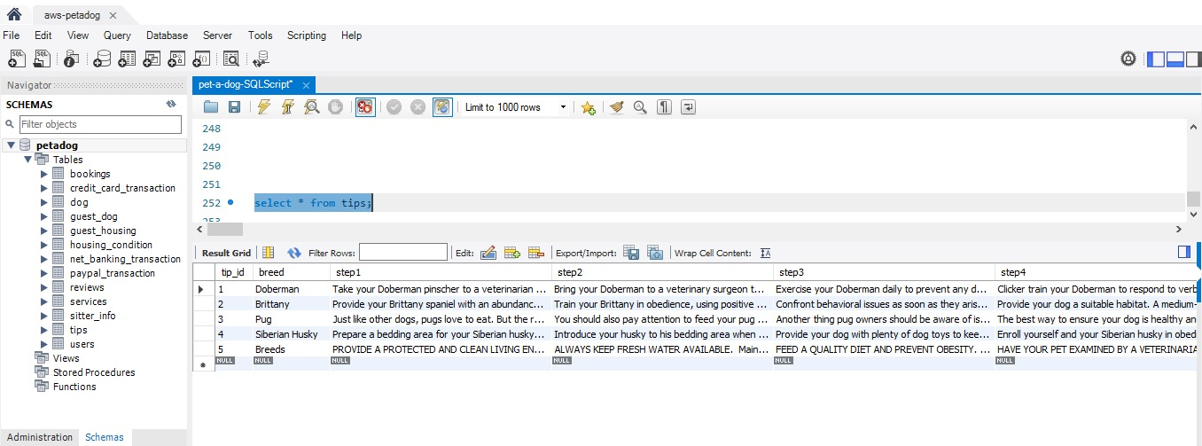
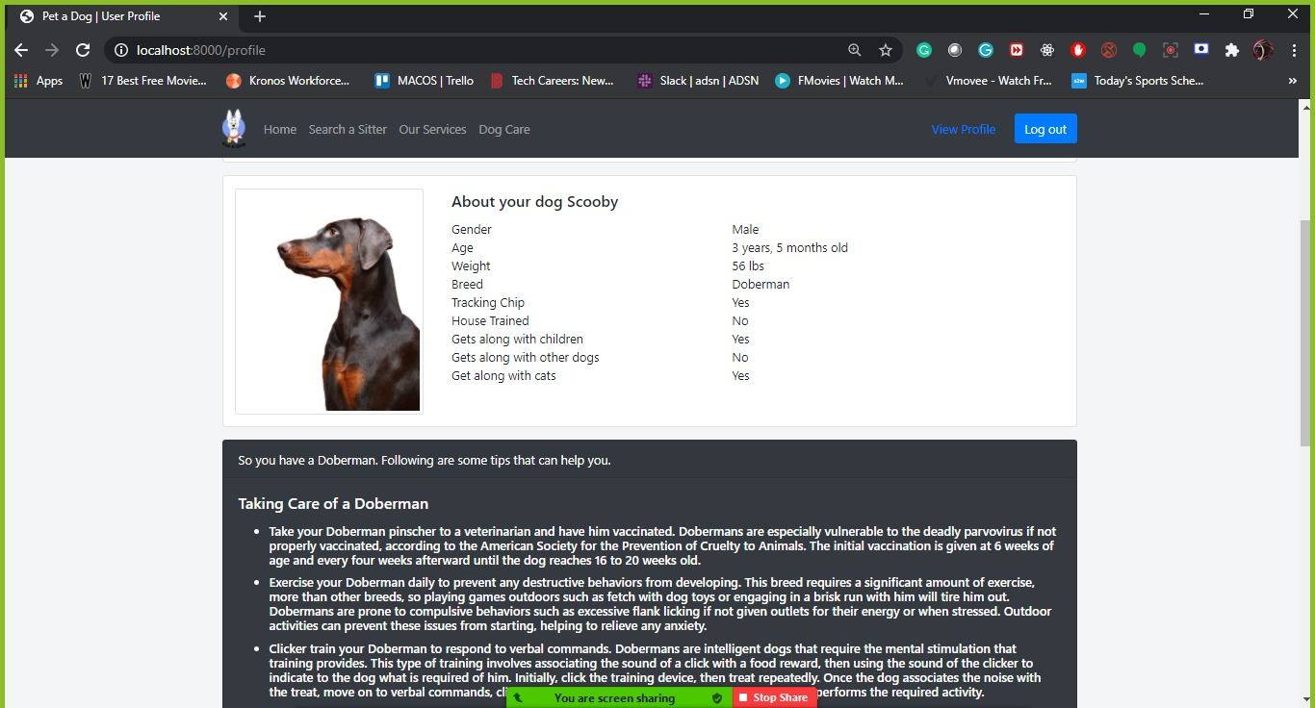

Test Case 2
TC Title: | TC2. Users Information - Core Functionality Testing + Data Flow In

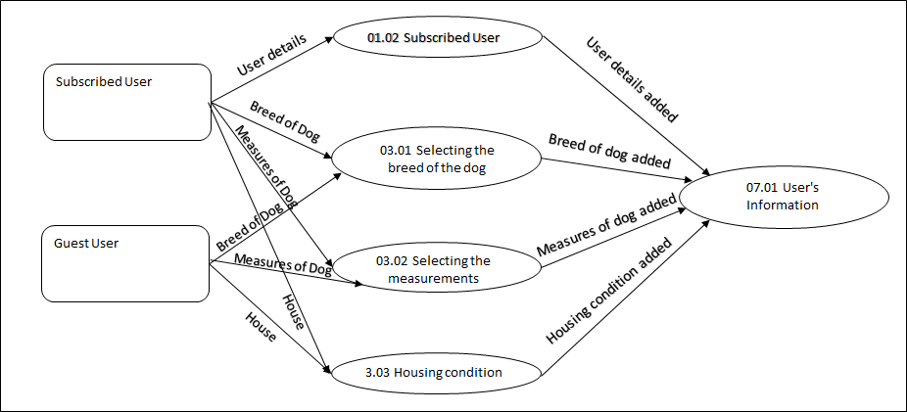
TC Objective: | To check when new subscribed user enter his details, they're updated in User's Information

TC Description
 | Step | Step Description | Expected Results
 | 1 | Click on Sign up | User should be navigated to sign up page and see fields to enter his/her details.
 | 2 | Enter details and click on Sign up | The entered details by user should be updated in User's Information
 | 3 | Enter details of Dog | The entered details by user should be updated in User's Information
 | 4 | Enter details of Housing Condition | The entered details by user should be updated in User's Information
 | 5 | Enter details of Dog (as a Guest User) | The entered details by user should be updated in User's Information
 | 6 | Enter details of Housing Condition (as a Guest User) | The entered details by user should be updated in User's Information

Test Case 3
TC Title: | TC3. Users information - Core Functionality + Data Flow out
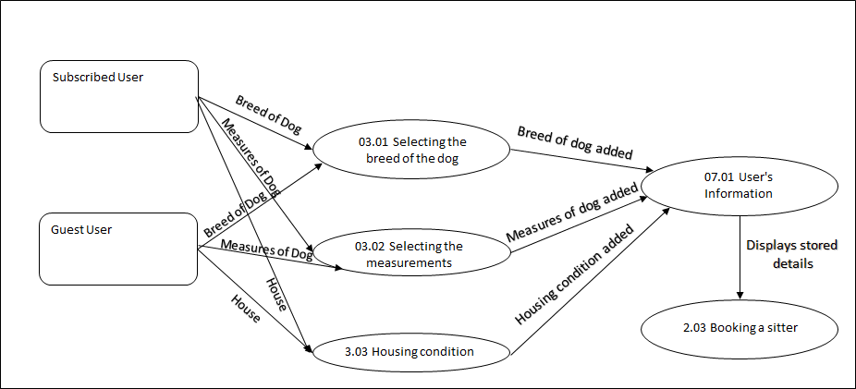
TC Objective: | Ensure that details from User's Information are displayed properly

TC Description
 | Step | Step Description | Expected Results
 | 1 | Log in into your account with your details. | User should see his/her name
 | 2 | Click on View profile | User should see his/her name along with email address and residential address and pet's information from User's Information
 | 3 | Scroll down and click on one of your pet | User should details of that pet and should see Tips and tricks for that breed of dog from User's Information

